Applicable Code Sections
https://epubs.iapmo.org/2021/OPC/

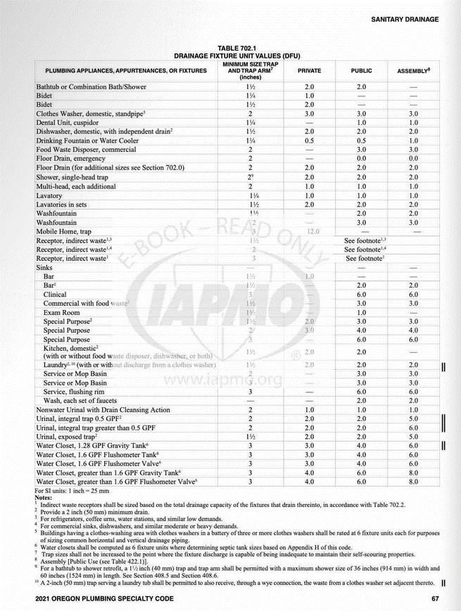

Oak Lodge’s reference page:

