Applicable Code Sections
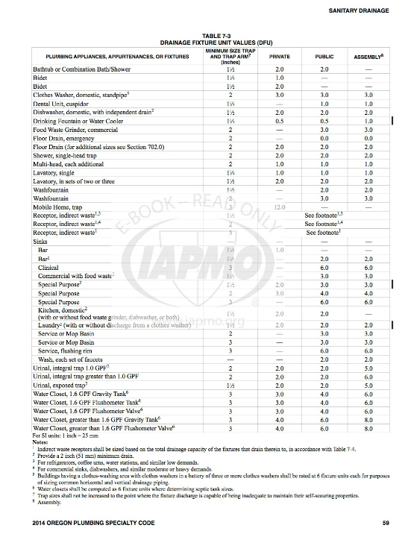
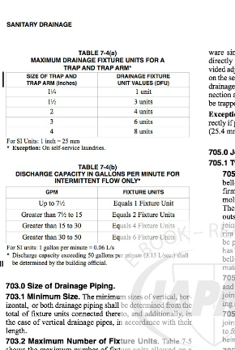
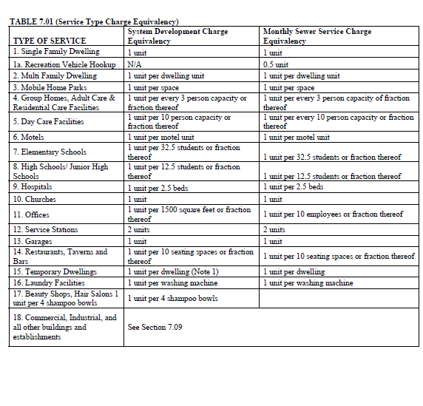

http://epubs.iapmo.org/OPSC/#p=82 | http://www.iapmo.org/pages/2014OregonPlumbingSpecialtyCode.aspx

